Dashboard
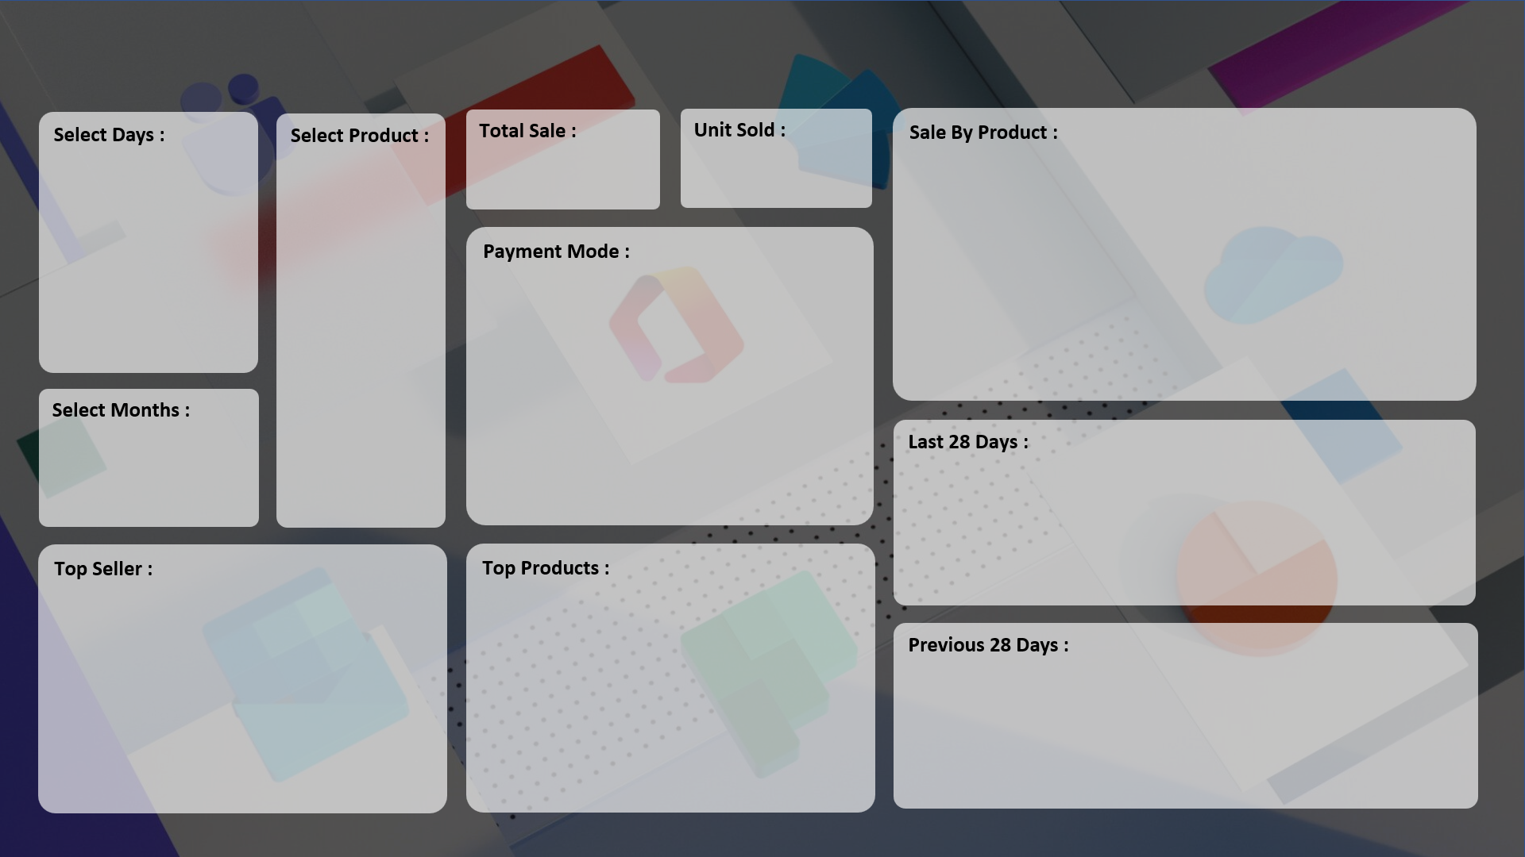
SALE PERFORMANCE DASHBOARD

₹ 1,78,58,190
7,679
 | Total
HDD 256 GB | 1295
Keyboard | 1320
Monitor | 904
Mouse | 787
Printer | 928
Scanner | 856
SSD 256 GB | 1589

 | Total
Cash | 3974
Online | 3705

 | Total
01-Feb | 38
02-Feb | 19
03-Feb | 22
04-Feb | 26
05-Feb | 21
06-Feb | 14
07-Feb | 19
08-Feb | 23
09-Feb | 28
10-Feb | 14
11-Feb | 18
12-Feb | 22
13-Feb | 23
14-Feb | 22
15-Feb | 30
16-Feb | 32
17-Feb | 14
18-Feb | 41
19-Feb | 66
20-Feb | 74
21-Feb | 39
22-Feb | 45
23-Feb | 80
24-Feb | 87
25-Feb | 104
26-Feb | 129
27-Feb | 127
28-Feb | 135
01-Mar | 307
02-Mar | 322
03-Mar | 359
04-Mar | 181
05-Mar | 197
06-Mar | 199
07-Mar | 186
08-Mar | 209
09-Mar | 144
10-Mar | 275
11-Mar | 240
12-Mar | 296

 | Total
Super Tech | 1433
ABC Traders | 1669
RG Store | 2151
CCC Mart | 2426
 | Total
SSD 256 GB | 1589
Keyboard | 1320
HDD 256 GB | 1295
Printer | 928
Monitor | 904
Scanner | 856
Mouse | 787

 | Total
04-Jan | 37
05-Jan | 37
06-Jan | 19
07-Jan | 26
08-Jan | 37
09-Jan | 37
10-Jan | 19
11-Jan | 26
12-Jan | 37
13-Jan | 37
14-Jan | 19
15-Jan | 33
16-Jan | 17
17-Jan | 28
18-Jan | 14
19-Jan | 18
20-Jan | 23
21-Jan | 23
22-Jan | 22
23-Jan | 14
24-Jan | 21
25-Jan | 21
26-Jan | 27
27-Jan | 19
28-Jan | 17
29-Jan | 14
30-Jan | 28

